Map
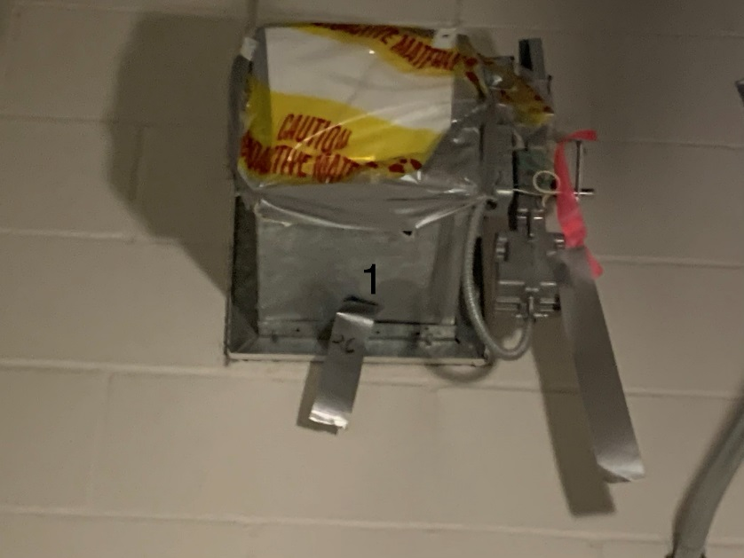

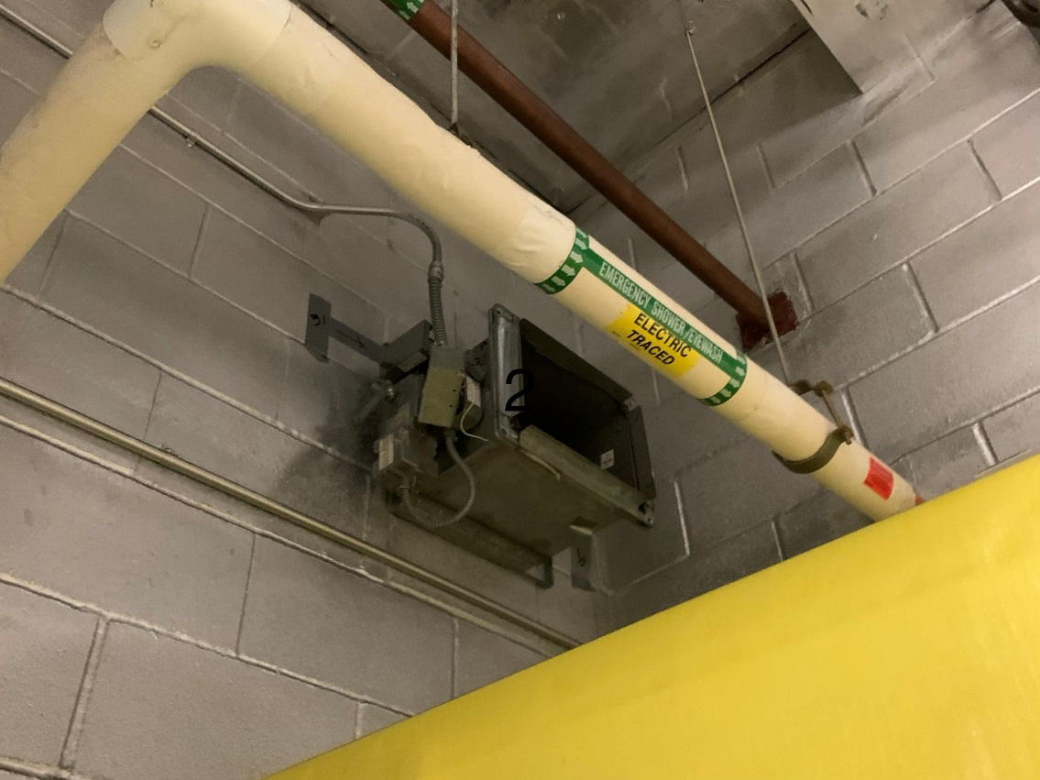

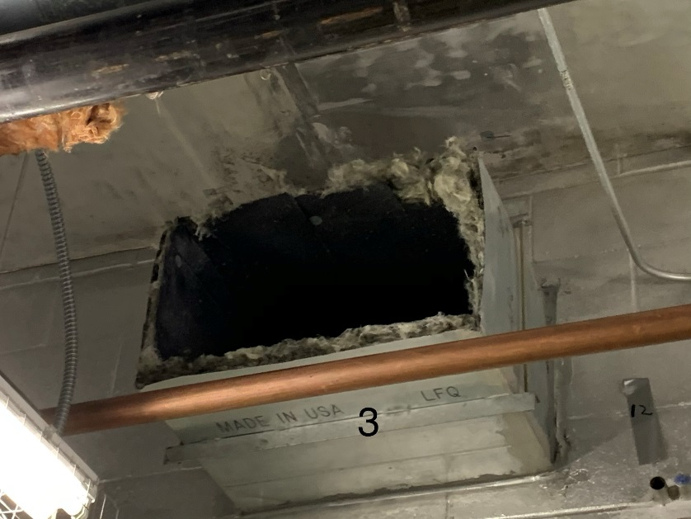

Survey No | INIS-010220-881
Date | 2020-01-02
Survey Tech | J. Walther
Count Room Tech | P. Ray
Date Counted | 2020-01-02
Survey Type | Characterization
Level of Posting | None
Comments

